Float-Area Method
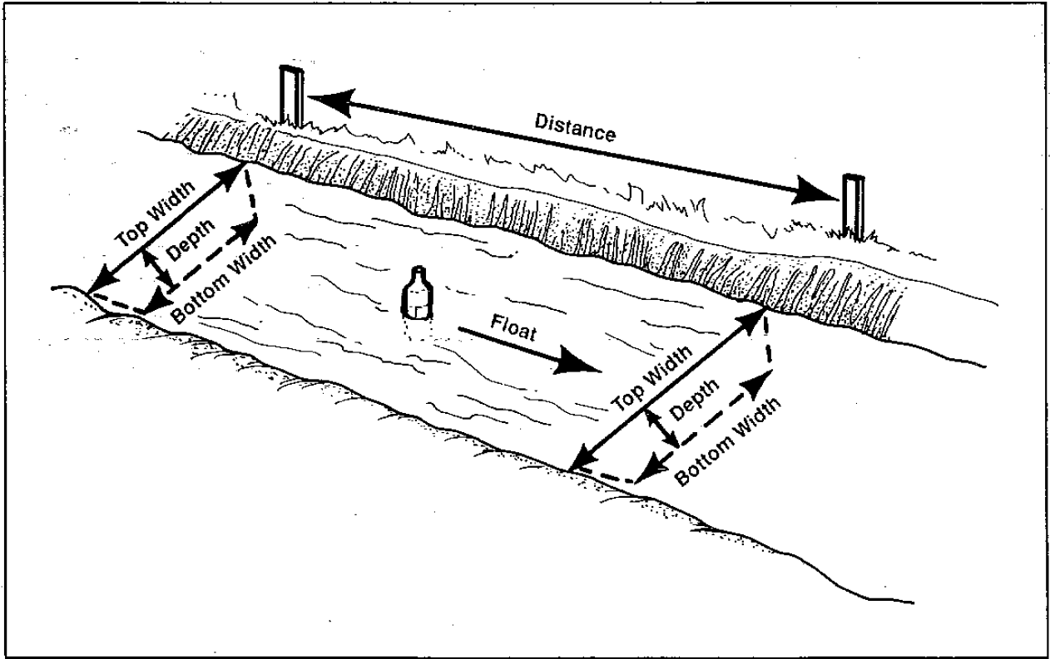
 | Length of Run in Feet | Number of Seconds
1st run |  |  | = Required information to be input
2nd run
3rd run |  |  |  | Coefficients for Converting Float Velocity to Water Velocity
 |  |  |  | Average Depth in ft. | Coefficient
 | Upstream | Downstream |  | Less than 1 | 0.66
Top Width |  |  |  | 1 | 0.66
Bottom Width |  |  |  | 2 | 0.68
 |  |  |  | 3 | 0.70
 | Upstream | Downstream |  | 4 | 0.72
Average Depth |  |  |  | 5 | 0.74
 |  |  |  | 6 | 0.76
 |  |  |  | 9 | 0.77
 |  |  |  | 12 | 0.78
Float Velocity in feet per second (fps) | #DIV/0! |  |  | 15 | 0.79
 |  |  |  | 20 | 0.80
Average Water velocity | #DIV/0! |  |  | Greater than 20 | 0.80

Average Width | #DIV/0! |  |  | Coefficient Lookup Check
 |  |  |  | Depth | Coefficient
Average Depth | #DIV/0! |  |  | #DIV/0! | #DIV/0!

Cross Sectional Area (Sq. ft.) | #DIV/0!

Flow rate | #DIV/0! | cfs
 | #DIV/0! | gpm

Note: Illustration and Coefficient table taken from The Float Area Method. Montana State University Extension. MT 9125.

Disclaimer: The size of the float matters for accurate estimates, especially for depths under 1 ft. A bottle filled partially with water or a wooden rod with a weight on one end are ideal. Anything that sits down in the water column is acceptible. Do not use items that are light and only sit on the surface (such as leaves, small sticks, small pieces of plastic, etc.). Make sure the float does not contact the bottom of the channel over the lenght of the run.

Container Method
Size of Container: |  | gallons | = Required information to be input

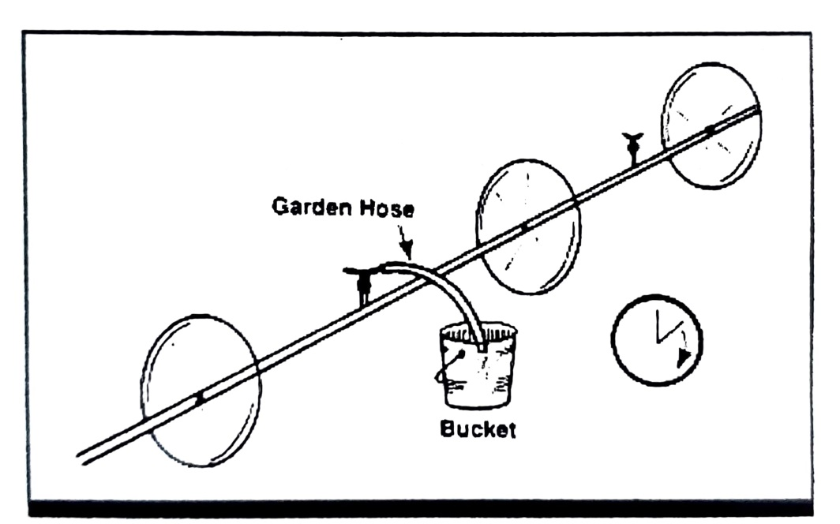
Time to fill: |  | seconds

Flow Rate (calculated): | ----- | gpm

