Step 2 - Dimensionless Depth
Step-by-Step Procedures for Montana Dam Safety Technical Note 1, Determination of the Inflow Design Flood for High Hazard Dams in Montana (2019)

Step 2 - Determining Dimensionless Storm Depths |  |  |  |  |  |  |  |  |  |  |  | OR

 | Knowing the region, storm duration, and the storm recurrence interval, determine the dimensionless storm depth |  |  |  |  |  |  |  |  |  |  |  | Use Figures 12 - 17 below to estimate the dimensionless storm depth for the regions needed.

 | The following information is taken from Equation 2 (page 10) and Table 9 (page 17) of WRIR 97-4004.

 | User enters in the green cells only.

 | NOTE: | For basins in two regions, make sure the storm duration is the same in regions needed. |  |  |  |  |  |  |  |  |  |  | REGION 1 DIMENSIONLESS STORM DEPTH =

 |  | For regions not being considered, delete the storm duration value in that region (the appropriate q(F) value should be zero). |  |  |  |  |  |  |  |  |  |  | REGION 2 DIMENSIONLESS STORM DEPTH = | 3.8

 | FOR REGION 1: |  |  |  |  |  |  |  |  |  |  |  | REGION 3 DIMENSIONLESS STORM DEPTH = | 3.6

 | Input storm duration (in hrs) to be used |  |  |  | t(2, 6, 24) = |  | Input region 1, 2, or 3 |  | 1 | Storm Event =
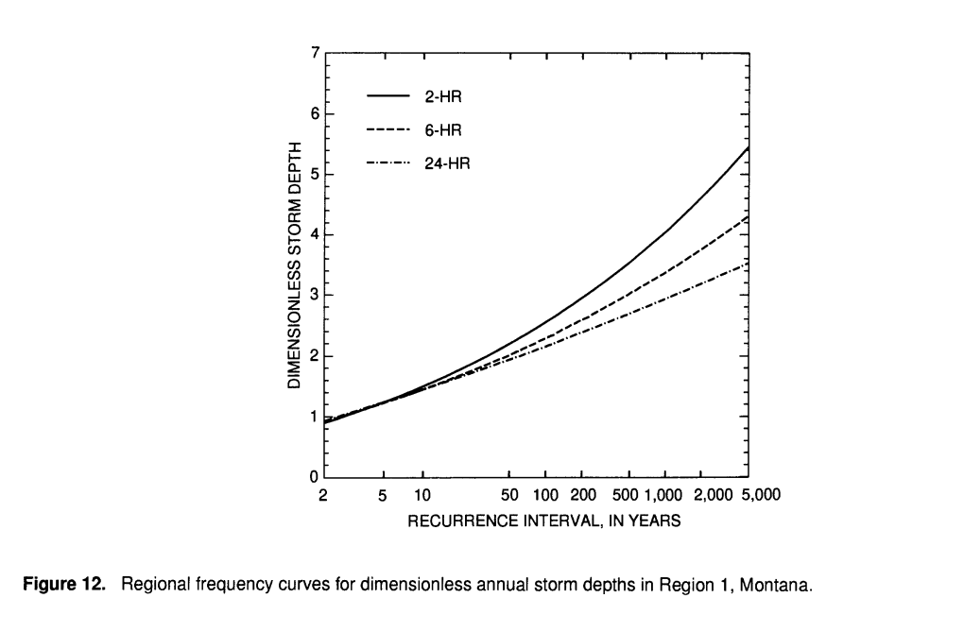

 |  |  | q(F) = | 0 | <----- REGION 1 DIMENSIONLESS STORM DEPTH*

 | FOR REGION 2:

 | Input storm duration (in hrs) to be used |  |  |  | t(2, 6, 24) = | 24 | Input region 1, 2, or 3 |  | 2 | Storm Event = | 1000

 |  |  | q(F) = | 3.8127036776 | <----- REGION 2 DIMENSIONLESS STORM DEPTH*
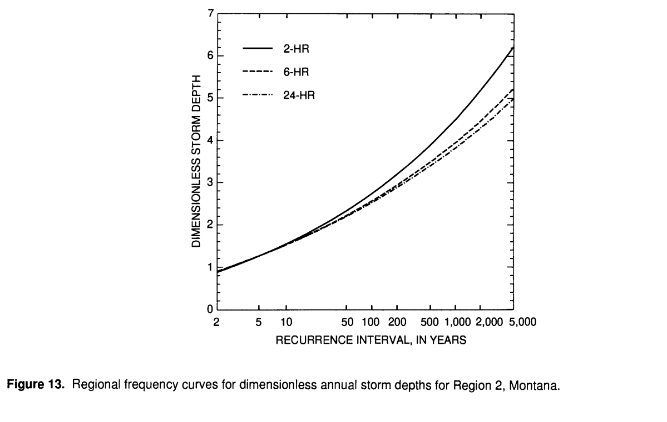

 | FOR REGION 3:

 | Input storm duration (in hrs) to be used |  |  |  | t(2, 6, 24) = | 24 | Input region 1, 2, or 3 |  | 3 | Storm Event = | 1000

 |  |  | q(F) = | 3.5605066773 | <----- REGION 3 DIMENSIONLESS STORM DEPTH*

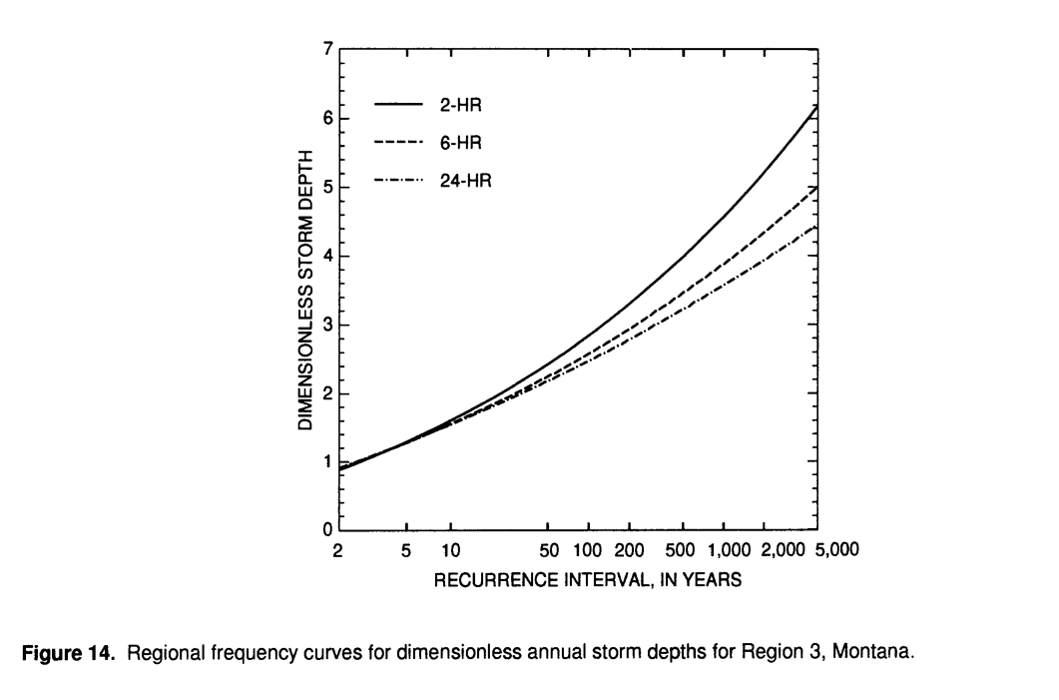

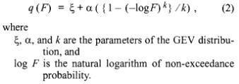
 |  |  |  |  |  |  |  | *This is an unprotected sheet with formulas. Green cells are for user input; referenced table is included below for convenience.

Step 4 - Mean Storm Depth
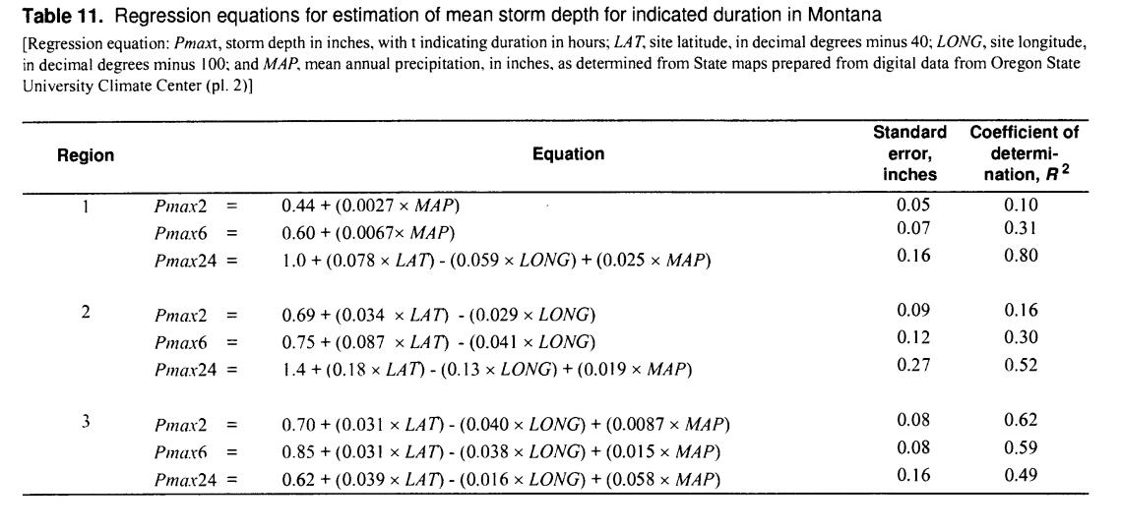
Step-by-Step Procedures for Montana Dam Safety Technical Note 1, Determination of the Inflow Design Flood for High Hazard Dams in Montana (2019)

Step 4 - Mean Storm Depth

 | User enters in the green cells only.

 | Storm duration (hrs) from Step 2 |  |  |  | t(2, 6, 24) = | 24

 |  |  |  |  |  | From Table 11 |  |  | Dimensionless Depth | Mean Storm
 | Point in Basin | Region | LAT | LONG | MAP | Pmax2 | Pmax6 | Pmax24 |  | Depth (in)
 | 1 | 2 | 8 | 12.243 | 18 | 0.00 | 0.00 | 1.59 | 3.81 | 6.06
 | 2 | 2 |  |  |  | 0.00 | 0.00 | #VALUE! | 3.81
 | 3 | 2 |  |  |  | 0.00 | 0.00 | #VALUE! | 3.81
 | 4 | 2 |  |  |  | 0.00 | 0.00 | #VALUE! | 3.81
 | 5 | 2 |  |  |  | 0.00 | 0.00 | #VALUE! | 3.81
 | 6 | 2 |  |  |  | 0.00 | 0.00 | #VALUE! | 3.81 |  |  | *This is an unprotected sheet with formulas. Green cells are for user input; referenced table is included below for convenience.
 | 7 | 2 |  |  |  | 0.00 | 0.00 | #VALUE! | 3.81
 | 8 | 2 |  |  |  | 0.00 | 0.00 | #VALUE! | 3.81
 | 9 | 2 |  |  |  | 0.00 | 0.00 | #VALUE! | 3.81
 | 10 | 2 |  |  |  | 0.00 | 0.00 | #VALUE! | 3.81
 | 1 |  |  |  |  | 0.00 | 0.00 | 0.00 | 3.56
 | 2 |  |  |  |  | 0.00 | 0.00 | 0.00 | 3.56
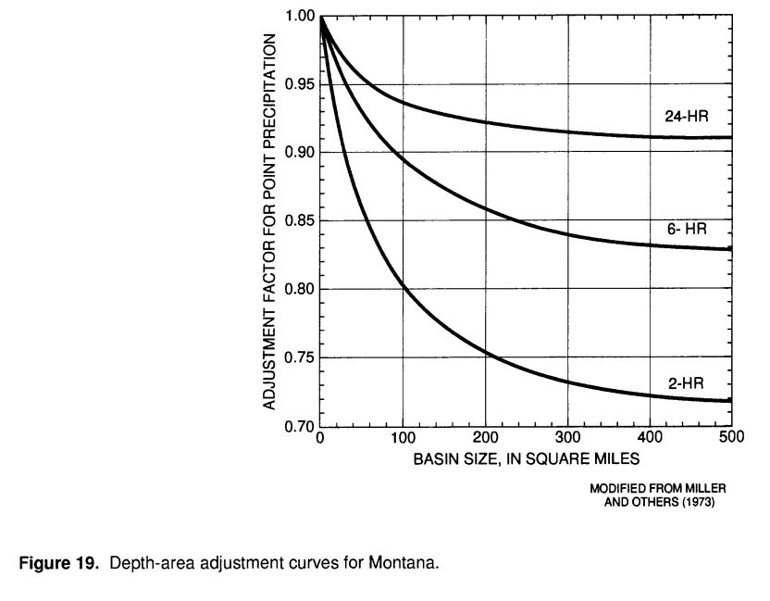
 | 3 |  |  |  |  | 0.00 | 0.00 | 0.00 | 3.56
 | 4 |  |  |  |  | 0.00 | 0.00 | 0.00 | 3.56
 | 5 |  |  |  |  | 0.00 | 0.00 | 0.00 | 3.56
 | 6 |  |  |  |  | 0.00 | 0.00 | 0.00 | 3.56
 | 7 |  |  |  |  | 0.00 | 0.00 | 0.00 | 3.56
 | 8 |  |  |  |  | 0.00 | 0.00 | 0.00 | 3.56
 | 9 |  |  |  |  | 0.00 | 0.00 | 0.00 | 3.56
 | 10 |  |  |  |  | 0.00 | 0.00 | 0.00 | 3.56

 |  |  |  |  |  |  |  | Avg at site storm depth, weighted for subbasin sizes (in) |  | 6.06
 |  |  |  |  |  |  |  | Area adjustment factor |  | 0.98 | From Figure 19 ---->
 |  |  |  |  |  |  |  | Basin mean storm depth (in) |  | 5.94 | *

